Hoja1
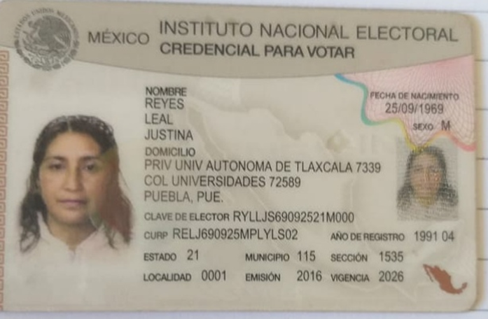
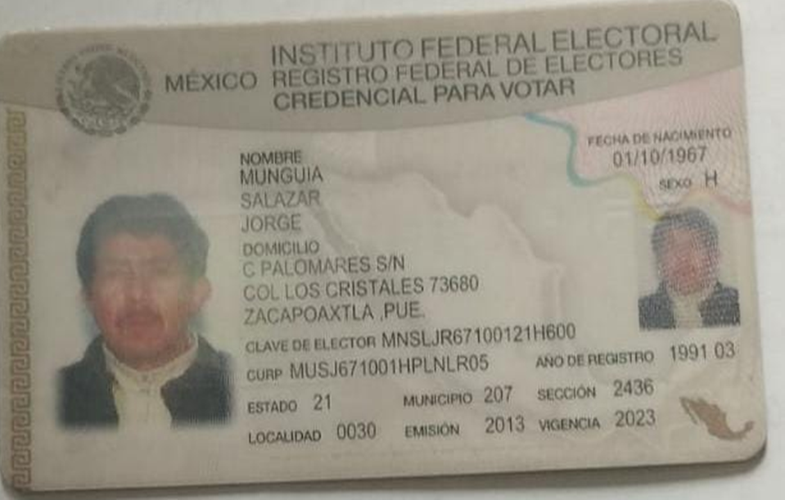
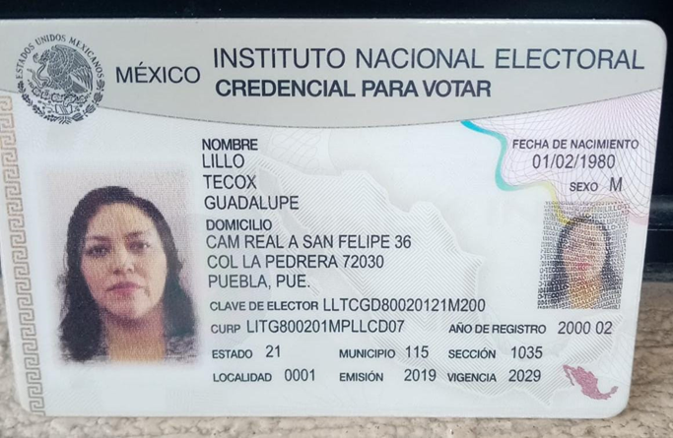
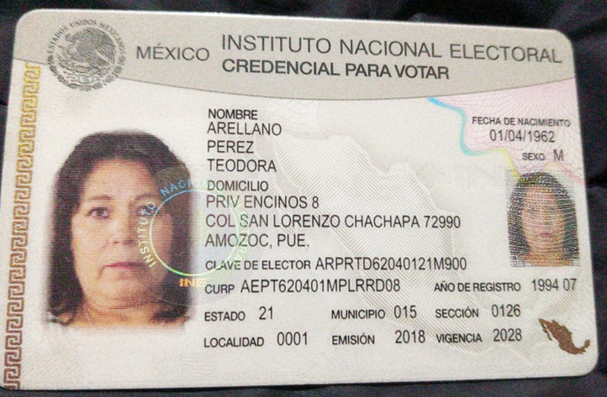
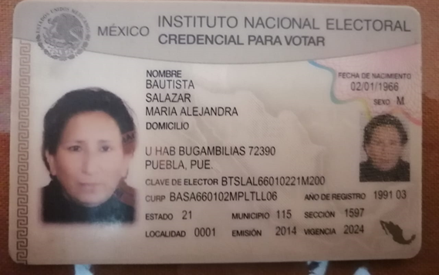
ALEJANDRA BAUTISTA SALAZAR
TEODORA ARELLANO PEREZ
JUSTINA REYES LEAL
JORGE MUGUIA SALAZAR
GUADALUPE LILLO TECOX

